Sheet1
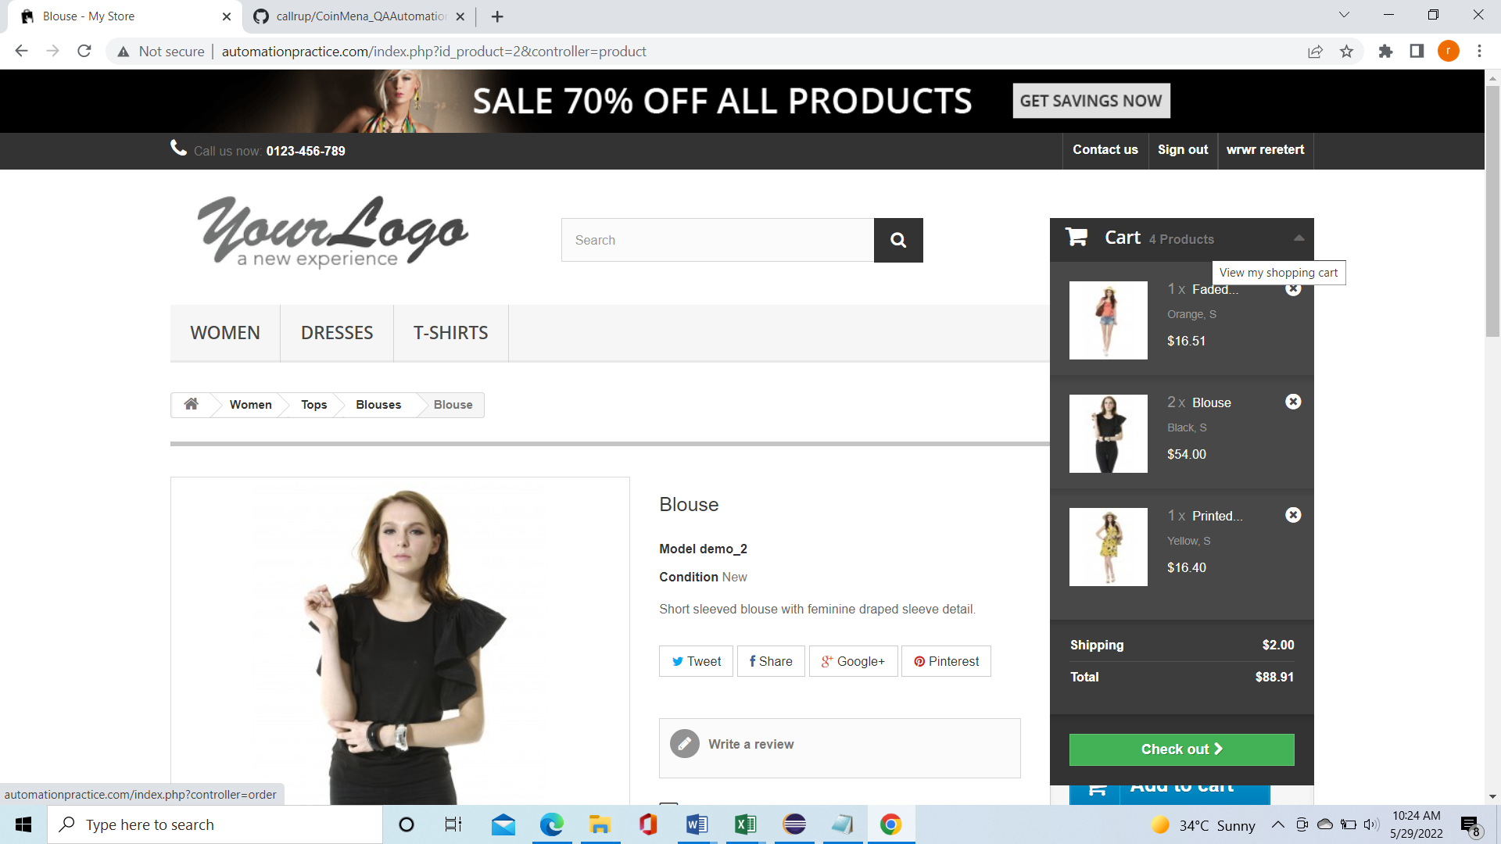
Defect Id | Defect Desc | Steps to reporoduce | Severity | Priority | AssignedTo | Environment | Created Date | DueDate | Created By
LOG001 | User is unable to modify size ,color from Cart | 1. User added items in the card | High | High |  |  | 28/5/2022 |  | Rupam
 |  | 2. Uer wants to modify the cart by selecting different size and color
 |  | 3. User click on items in cart
 |  | 4. System is not opening the cart with existing items rather moving to new item add screen

